Map
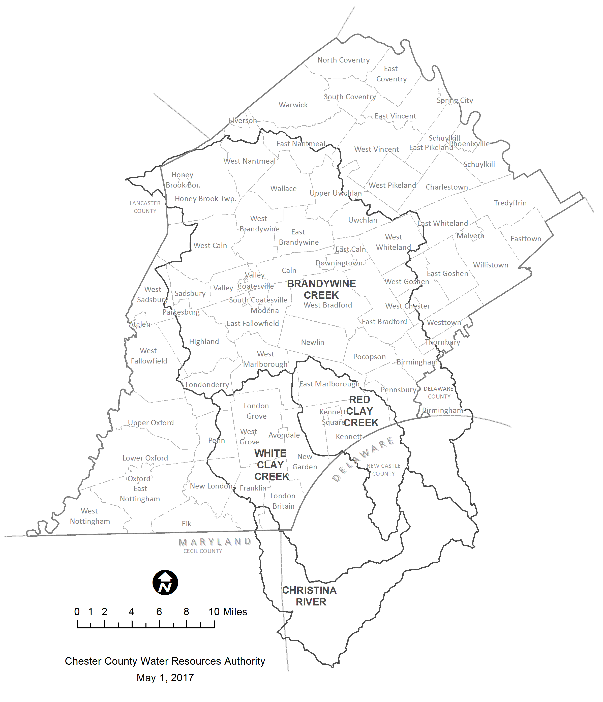
Look-Up Table: Christina Basin MapShed Land Use Loading Rates

Section 4: Map of Chester County's portion of the Christina Basin Watersheds

